Dashboard
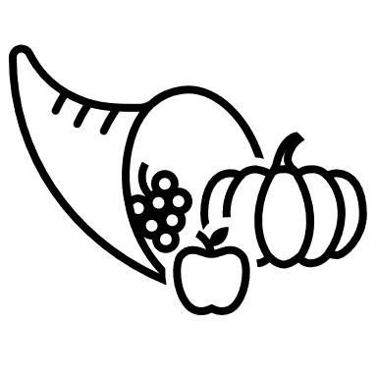
Total Sales Per Product
 | Total
Banana | $340,295
Apple | $191,257
Cabbage | $142,439
Carrots | $136,945
Orange | $104,438
Beans | $57,281
Mango | $57,079
Total Sales Count Per Country
 | Fruit | Vegetables
Australia | 19 | 8
Canada | 17 | 3
France | 25 | 3
Germany | 13 | 20
New Zealand | 13 | 1
United Kingdom | 17 | 17
United States | 42 | 15
Total Sales Per Country
 | Total
Australia | $131,713
Canada | $94,745
France | $141,056
Germany | $155,168
New Zealand | $66,782
United Kingdom | $173,137
United States | $267,133
Percentage of Product Sales Per Category
 | Total
Fruit | $693,069
Vegetables | $336,665
Total Sales Vs Average Sales
 | Total Amount | Average of Amount
Banana | $340,295 | $4,793
Apple | $191,257 | $4,781
Cabbage | $142,439 | $5,276
Carrots | $136,945 | $5,072
Orange | $104,438 | $4,352
Beans | $57,281 | $4,406
Mango | $57,079 | $5,189
FRUITS AND VEGETABLES DASHBOARD
213
Total No. of Produce
$4,834
Average Sales
$1,029,734
Total Sales

Dashboard 00
Total Sales Per Product
 | Total
Banana | $340,295
Apple | $191,257
Cabbage | $142,439
Carrots | $136,945
Orange | $104,438
Beans | $57,281
Mango | $57,079
Total Sales Count Per Country
 | Fruit | Vegetables
Australia | 19 | 8
Canada | 17 | 3
France | 25 | 3
Germany | 13 | 20
New Zealand | 13 | 1
United Kingdom | 17 | 17
United States | 42 | 15
Total Sales Per Country
 | Total
Australia | $131,713
Canada | $94,745
France | $141,056
Germany | $155,168
New Zealand | $66,782
United Kingdom | $173,137
United States | $267,133
Percentage of Product Sales Per Category
 | Total
Fruit | $693,069
Vegetables | $336,665
213
Total No. of Produce
$4,834
Average Sales
$1,029,734
Total Sales
GreenMarket DASHBOARD

Total Sales Vs Average Sales
 | Total Amount | Average of Amount
Banana | $340,295 | $4,793
Apple | $191,257 | $4,781
Cabbage | $142,439 | $5,276
Carrots | $136,945 | $5,072
Orange | $104,438 | $4,352
Beans | $57,281 | $4,406
Mango | $57,079 | $5,189

